1. Intro
NCP Rate Sheet

NCP NORTH CONTINENT TO ASIA

 |  |  |  |  | HMM (Germany) GmbH & Co. KG
 |  |  |  |  | As Agent of HMM Co. Ltd., Seoul, Korea
 |  |  |  |  | Herrengraben 3, 20459 Hamburg

 |  |  |  |  | Date: | 2026-03-19

RATE AGREEMENT / SERVICE CONTRACT: AS OUTLINED BY ROUTE |  |  |  |  | For Customer: |  | CJ ICM Logistics GmbH
RATE VALIDITY: AS PER RDA DATE 01.02.2026 - 30.04.2026
RATE AND SURCHARGES APPLICATION: AS PER RATING DATE (RDA)
TERMS: | CY/CY
HAMBURG
Name |  | Department | Phone | E-Mail
Minu Lee |  | Sales Manager | 0049 (0) 40 / 36954 - 203 | minu.lee@hmm21.com
Dan Hansen |  | Sales | 0049 (0) 40 / 36954 - 206 | dan.hansen@hmm21.com
Sven Ploetzke |  | Sales | 0049 (0) 40 / 36954 - 208 | sven.ploetzke@hmm21.com
Ole Paulus |  | Sales Manager (Specials, BB, OOG) | 0049 (0) 40 / 36954 - 252 | ole.paulus@hmm21.com
Bastian Rielinger |  | Manager IFF Sales | 0049 (0) 40 / 36954 - 224 | bastian.rielinger@hmm21.com
Leroy Menzell |  | IFF Sales | 0049 (0) 40 / 36954 - 0 | leroy.menzell@hmm21.com
Brigitte Stoeckler |  | Inside Sales IFF | 0049 (0) 421 / 17352 - 31 | brigitte.stoeckler@hmm21.com
Svenja Bürger |  | Inside Sales | 0049 (0) 40 / 36954 - 219 | svenja.buerger@hmm21.com
Lena Frömbling |  | Inside Sales | 0049 (0) 40 / 36954 - 239 | lena.froembling@hmm21.com
Matthias Gerkens |  | Inside Sales | 0049 (0) 40 / 36954 - 139 | matthias.gerkens@hmm21.com
Lisa Schuermann |  | Inside Sales | 0049 (0) 40 / 36954 - 212 | lisa.schuermann@hmm21.com
Soyeon Seo |  | Inside Sales (Specials, BB, OOG) | 0049 (0) 40 / 36954 - 253 | soyeon.seo@hmm21.com
Moritz Steffens |  | Inside Sales | 0049 (0) 40 / 36954 - 207 | moritz.steffens@hmm21.com

CUSTOMER SERVICE GERMANY
Name |  | Department | Phone | E-Mail
Stefanie Wulff |  | Customer Service | 0049 (0) 40 / 36954 - 222 | stefanie.wulff@hmm21.com
Yannik Esch |  | Customer Service | 0049 (0) 40 / 36954 - 232 | yannik.esch@hmm21.com
Andreas Freiwald |  | Customer Service | 0049 (0) 421 / 17352 - 53 | andreas.freiwald@hmm21.com
Eun Jung Lee |  | Customer Service | 0049 (0) 40 / 36954 - 161 | eunjung.lee@hmm21.com
Morten Melchert |  | Customer Service | 0049 (0) 40 / 36954 - 211 | morten.melchert@hmm21.com
Pauline Moeckel |  | Customer Service | 0049 (0) 40 / 36954 - 233 | pauline.moeckel@hmm21.com
Bianca Mueller |  | Customer Service | 0049 (0) 40 / 36954 - 249 | bianca.mueller@hmm21.com
Vincent Propp |  | Customer Service | 0049 (0) 40 / 36954 - 254 | vincent.propp@hmm21.com
Anja Roderigo |  | Customer Service | 0049 (0) 211 / 165576 - 13 | anja.roderigo@hmm21.com
Antonio Song |  | Customer Service | 0049 (0) 40 / 36954 - 160 | antonio.song@hmm21.com
Julia Mueller |  | Customer Service | 0049 (0) 40 / 36954 - 162 | julia.mueller@hmm21.com

BREMEN
Name |  | Department | Phone | E-Mail
Hartmut Oevermann |  | Branch Manager | 0049 (0) 421 / 17352 - 22 | hartmut.oevermann@hmm21.com
Michelle Spitzer |  | Sales | 0049 (0) 421 / 17352 - 44 | michelle.spitzer@hmm21.com
Andreas Weidemann |  | Sales | 0049 (0) 421 / 17352 - 28 | andreas.weidemann@hmm21.com
Wiebke Engler |  | Inside Sales | 0049 (0) 421 / 17352 - 58 | wiebke.engler@hmm21.com
Ilka Mueller - Dippe |  | Inside Sales | 0049 (0) 421 / 17352 - 45 | ilka.mueller-dippe@hmm.21com

CENTRAL GERMANY
Name |  | Department | Phone | E-Mail
Patrick Eggert |  | Sales Manager | 0049 (0) 69 / 665 543 23 | patrick.eggert@hmm21.com
Karl Kanczok |  | Sales | 0049 (0) 211 / 165576 - 11 | karl.kanczok@hmm21.com
Andrea Kubischok |  | Inside Sales | 0049 (0) 211 / 165576 - 12 | andrea.kubischok@hmm21.com
Markus Posselt |  | Inside Sales | 0049 (0) 89 / 20359986 - 2 | markus.posselt@hmm21.com

MUNICH
Name |  | Department | Phone | E-Mail
Elena Potschernik |  | Inside Sales | 0049 (0) 89 / 20359986 - 3 | elena.potschernik@hmm21.com

1.1. RDA Application
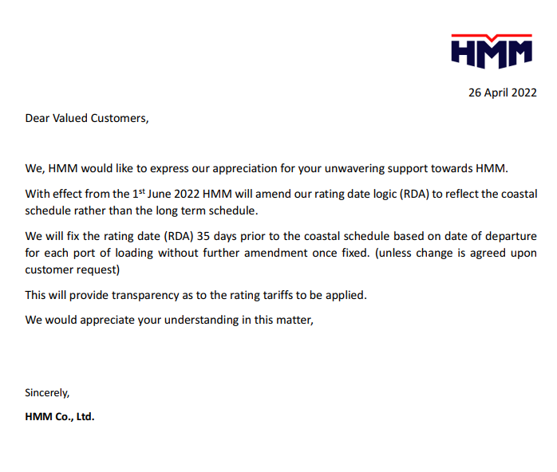
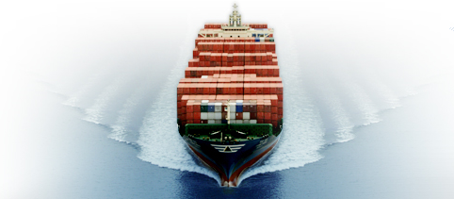
The Bridge To Your Dream

HMM (Germany) GmbH & Co. KG
As Agent of HMM Co. Ltd., Seoul, Korea
Herrengraben 3, 20459 Hamburg

1.2 GMD
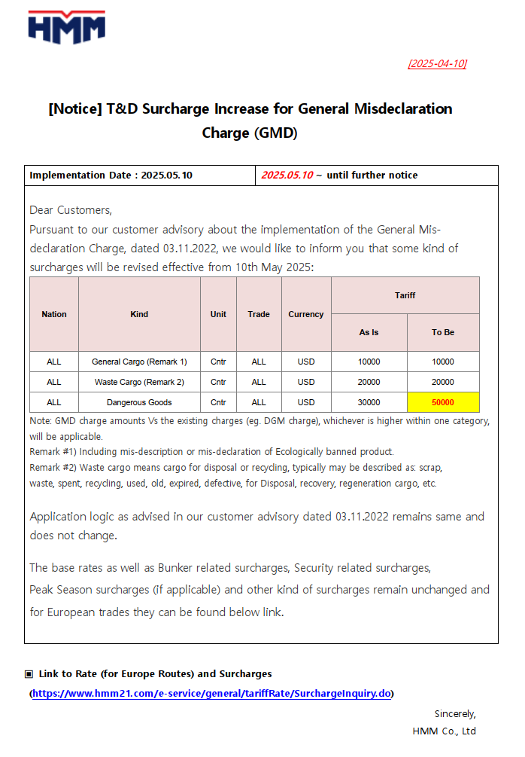
Connect Values Navigate Growth

HMM (Germany) GmbH & Co. KG
As Agent of HMM Co. Ltd., Seoul, Korea | Date: 10/04/2025
Herrengraben 3, 20459 Hamburg

1.3 EFL
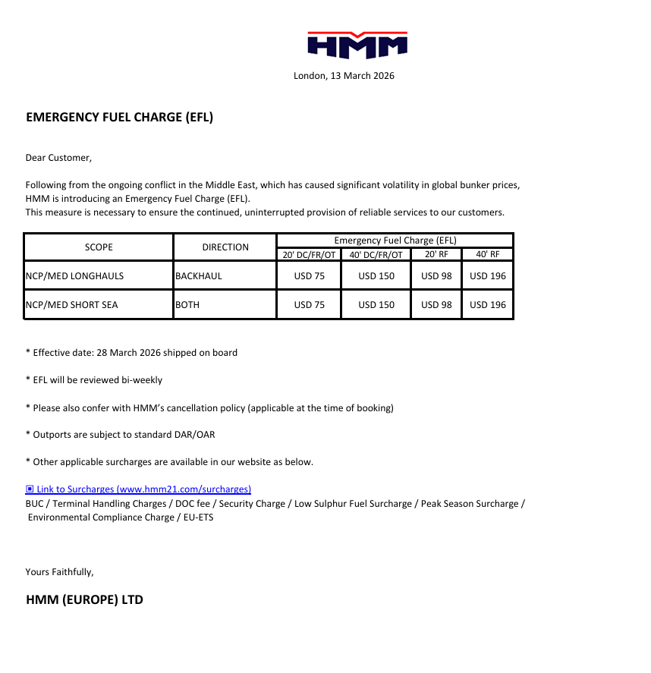
Connect Values Navigate Growth

HMM (Germany) GmbH & Co. KG
As Agent of HMM Co. Ltd., Seoul, Korea | Date: 19/03/2026
Herrengraben 3, 20459 Hamburg

2. EES Surcharge
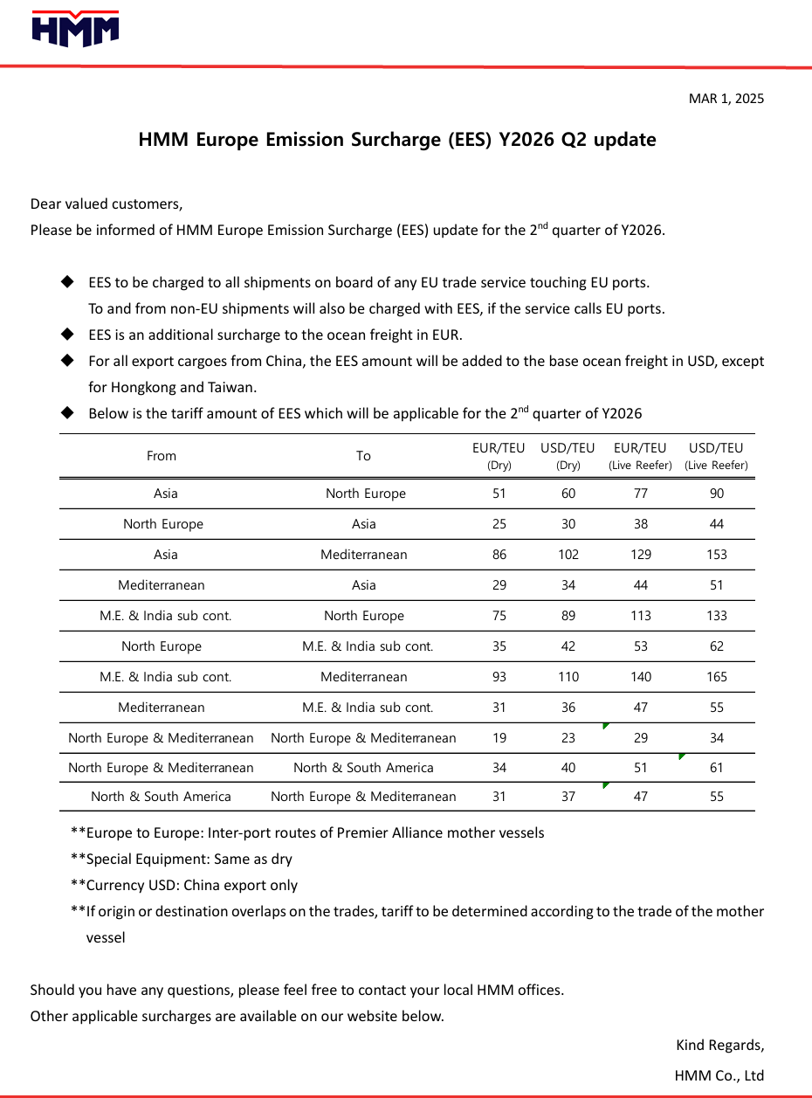

3. Main Ports I FIM I TW
NCP Rate Sheet

NCP NORTH CONTINENT TO ASIA

RATE AGREEMENT / SERVICE CONTRACT: AS OUTLINED BY ROUTE |  |  |  |  |  |  |  |  |  |  | Date: |  | 19-Jan-26
RATE VALIDITY: AS PER RDA DATE 01.02.2026 - 30.04.2026
RATE AND SURCHARGES APPLICATION: AS PER RATING DATE (RDA)
TERMS: CY/CY

MAIN PORTS |  |  |  |  | GATE IN / INCL EES / EXCL. DOC / DESTINATION CHARGES

POL | LOOP |  |  |  | POD | 20' DRY CNTR |  | 40' DRY CNTR | 40' HIGH CUBE |  |  |  | FILING REFERENCE
ANR | FE6 / FP2 |  |  |  | BUSAN | $15 |  | $15 | $15 |  |  |  | WGB2400007
HAM / RTM | FE4 |  |  |  | BUSAN | $1 |  | $1 | $1 |  |  |  | WGB2400007
HAM / RTM / ANR | FE4 / FE5 |  |  |  | NINGBO | $1 |  | $1 | $1 |  |  |  | WGB2400007
HAM / RTM / ANR | FE3 / FE5 |  |  |  | QINGDAO | $1 |  | $1 | $1 |  |  |  | WGB2400007
HAM / RTM / ANR | FE3 / FE4 / FE5 |  |  |  | SHANGHAI | $1 |  | $1 | $1 |  |  |  | WGB2400007
HAM / RTM / ANR | FE3 / FE4 / FE5 |  |  |  | SINGAPORE | $1 |  | $1 | $1 |  |  |  | WGB2400007
ANR | FE6 / FP2 |  |  |  | SINGAPORE | $15 |  | $15 | $15 |  |  |  | WGB2400007
ANR | FE6 |  |  |  | SHEKOU | $15 |  | $15 | $15 |  |  |  | WGB2400007
ANR | FE6 |  |  |  | SHANGHAI | $15 |  | $15 | $15 |  |  |  | WGB2400007
ANR | FE6 |  |  |  | NINGBO | $15 |  | $15 | $15 |  |  |  | WGB2400007
ANR | FE6 |  |  |  | XIAMEN | $15 |  | $15 | $15 |  |  |  | WGB2400007
HAM / RTM | FE3 / FE4 |  |  |  | YANTIAN | $1 |  | $1 | $1 |  |  |  | WGB2400007
ANR | FE6 |  |  |  | PORT KLANG | $15 |  | $15 | $15 |  |  |  | WGB2400007
ANR | FP2 |  |  |  | LAEM CHABANG | $15 |  | $15 | $15 |  |  |  | WGB2400007
ANR | FP2 |  |  |  | VUNG TAO | $15 |  | $15 | $15 |  |  |  | WGB2400007
ANR | FP2 |  |  |  | HAIPHONG | $15 |  | $15 | $15 |  |  |  | WGB2400007
ANR | FP2 |  |  |  | YANTIAN | $15 |  | $15 | $15 |  |  |  | WGB2400007
< NOTICE > RATES ARE INCLUDING 14 DAYS DETENTION FREETIME AT DESTINATION
MAIN PORTS |  |  |  |  | GATE IN / EXCL. EES / DOC / DESTINATION CHARGES

HAM / RTM | FP1 |  |  |  | SINGAPORE | $30 |  | $10 | $10 |  |  |  | WGB2400007
HAM / RTM | FP1 |  |  |  | TOKYO | $200 |  | $200 | $200 |  |  |  | WGB2400007
HAM / RTM | FP1 |  |  |  | KOBE | $200 |  | $200 | $200 |  |  |  | WGB2400007
HAM / RTM | FP1 |  |  |  | NAGOYA | $200 |  | $200 | $200 |  |  |  | WGB2400007
< NOTICE > RATES ARE INCLUDING 14 DAYS DETENTION FREETIME AT DESTINATION
INX |  |  |  |  | GATE IN / EXCL. EES / DOC / DESTINATION CHARGES

HAM / RTM / ANR | INX |  |  |  | HAZIRA | $450 |  | $450 | $450 |  |  |  | WGB2500025
HAM / RTM / ANR | INX |  |  |  | MUNDRA | $450 |  | $450 | $450 |  |  |  | WGB2500025
HAM / RTM / ANR | INX |  |  |  | NHAVA SHEVA | $450 |  | $450 | $450 |  |  |  | WGB2500025
HAM / RTM / ANR | INX |  |  |  | KARACHI | $450 |  | $450 | $450 |  |  |  | WGB2500025
HAM / RTM / ANR | INX |  |  |  | KATUPALI, VIA COLOMBO | $450 |  | $450 | $450 |  |  |  | WGB2500025
HAM / RTM / ANR | INX |  |  |  | COLOMBO | $550 |  | $550 | $550 |  |  |  | WGB2500025
HAM / RTM / ANR | INX (T/S COLOMBO) |  |  |  | KOLKATA | $800 |  | $1,200 | $1,200 |  |  |  | WGB2500025
HAM / RTM / ANR | INX (T/S COLOMBO) |  |  |  | CHATTOGRAM | $850 |  | $1,150 | $1,150 |  |  |  | WGB2500025
HAM / RTM / ANR | INX (T/S COLOMBO) |  |  |  | VISAKHAPATNAM | $750 |  | $750 | $750 |  |  |  | WGB2500025
HAM / RTM / ANR | INX (T/S COLOMBO) |  |  |  | CHENNAI | $600 |  | $800 | $800 |  |  |  | WGB2500025
HAM / RTM / ANR | INX (T/S COLOMBO) |  |  |  | TUTICORIN | $600 |  | $700 | $700 |  |  |  | WGB2500025
< NOTICE > RATES ARE INCLUDING 14 DAYS DETENTION FREETIME AT DESTINATION
< NOTICE > RATES TO COLOMBO AND CHATTOGRAM ARE INCLDING TERMINAL HANDLING CARGE AT DESTINATION
KOREA / JAPAN (OUTPORTS) DAR |  |  |  |  | DAR TO BE ADDED ON T/S PORT (MAIN PORT) RATE

HAM / RTM / ANR | FE3 / FE6 |  |  |  | INCHEON (VIA BUSAN) | $100 |  | $150 | $150 |  |  |  | WGB2400007
HAM / RTM / ANR | FE3 / FE6 |  |  |  | KWANGYANG (VIA BUSAN) | $100 |  | $150 | $150 |  |  |  | WGB2400007
HAM / RTM / ANR | FE3 / FE6 |  |  |  | HAKATA (VIA BUSAN) | $310 |  | $460 | $460 |  |  |  | WGB2400007
HAM / RTM / ANR | FE4 / FE5 |  |  |  | TOKYO (VIA NINGBO/NO DG) | $250 |  | $375 | $375 |  |  |  | WGB2400007
HAM / RTM / ANR | FE3 / FE6 |  |  |  | TOKYO (VIA BUSAN/DG ON REQUEST) | $450 |  | $625 | $625 |  |  |  | WGB2400007
HAM / RTM / ANR | FE3 / FE6 |  |  |  | SHIMIZU (VIA BUSAN) | $450 |  | $625 | $625 |  |  |  | WGB2400007
HAM / RTM / ANR | FE4 / FE5 |  |  |  | OSAKA (VIA NINGBO/ NO DG) | $250 |  | $375 | $375 |  |  |  | WGB2400007
HAM / RTM / ANR | FE3 / FE6 |  |  |  | OSAKA (VIA BUSAN/ DG ON REQUEST) | $450 |  | $625 | $625 |  |  |  | WGB2400007
HAM / RTM / ANR | FE4 / FE5 |  |  |  | YOKOHAMA (VIA NINGBO/ NO DG) | $250 |  | $375 | $375 |  |  |  | WGB2400007
HAM / RTM | FE3 |  |  |  | YOKOHAMA (VIA BUSAN/ DG ON REQUEST) | $450 |  | $625 | $625 |  |  |  | WGB2400007
HAM / RTM / ANR | FE3 / FE6 |  |  |  | TOMAKOMAI (VIA BUSAN) | $400 |  | $800 | $800 |  |  |  | WGB2400007

KOREA / JAPAN (OUTPORTS) DAR |  |  |  |  | DAR TO BE ADDED ON T/S PORT (MAIN PORT) RATE

HAM / RTM / ANR | FE3 / FE4 / FE5 / FE6 / FP1 |  |  |  | KAOHSIUNG (VIA SINGAPORE) | $200 |  | $200 | $200 |  |  |  | WGB2400007
HAM / RTM / ANR | FE4 / FE5 / FE6 |  |  |  | KEELUNG (VIA NINGBO) | $260 |  | $310 | $310 |  |  |  | WGB2400007
HAM / RTM / ANR | FE4 / FE5 / FE6 |  |  |  | TAICHUNG (VIA NINGBO) | $350 |  | $400 | $400 |  |  |  | WGB2400007

SURCHARGE KIND |  |  | CUR | Charge |  |  | Surcharge Kind |  |  |  |  | CUR |  | Charge
KOREA LOW SULPHUR |  |  | USD | 3 per TEU |  |  | IMO SURCHARGE (DG) |  |  |  |  | USD |  | 150 per Cntr
AFR JAPAN |  |  | USD | 35 per B/L |  |  | FGC (FOOD GRADE CONTAINER SURCHARGE) |  |  |  |  | USD |  | 150 per Cntr
AM1 CHINA |  |  | USD | 35 per B/L |  |  | CLEAN, DRY AND ODOURLESS SURCHARGE |  |  |  |  | USD |  | 65 per Cntr
EUROPE EMISSION (N.EUROPE - F.E.) |  |  | EUR | 25 per TEU
EUROPE EMISSION (N.EUROPE - ISC / M.E.) |  |  | EUR | 35 per TEU |  |  | IMO HANDLINGSINGAPORE |  |  | CUR |  | 20' |  |  | 40'
EMERGENCY FUEL CHARGE |  |  | USD | 75 per TEU
 |  |  |  |  |  |  | PSA 1C & N |  |  | SGD |  | 1310 |  |  | 2045
Documentation Fee at Origin |  |  | CUR | Charge |  |  | PSA1S |  |  | SGD |  | 690 |  |  | 1380
B/L Submission via Website/Wisetech |  |  | EUR | 30 per B/L |  |  | PSA2C |  |  | SGD |  | 1110 |  |  | 1845
B/L Submission via EDI / DAKOSY |  |  | EUR | 40 per B/L |  |  | PSA2S,2,2F,1S |  |  | SGD |  | 690 |  |  | 1380
B/L Submission via INTTRA/GT Nexus / Others |  |  | EUR | 50 per B/L

Subject to service availability
DARs are subject to change
Above rates are valid ex North Continental Ports (excl. Scandinavia) for commodities ex German origin.
Terms: including THC at origin / ISPS / AMS / STF / ECC/ BUC subject to other surcharges valid at time of ETD according to RDA
Subject to Peak Season Surcharge if applicable
Subject to Emergency Fuel Charge
Subject to Container Imbalance Charge if applicable
Subject to EQ availabilty and space availability
Subject to Overweight Surcharge, Europe Emission Surcharge
Please find other surcharges at this link: |  | https://www.hmm21.com/e-service/general/tariffRate/SurchargeInquiry.do
Please also confer with HMM’s cancellation and status change policy (applicable at the time of booking)

4. Japan Outports
NCP Rate Sheet

NCP NORTH CONTINENT TO ASIA

RATE AGREEMENT / SERVICE CONTRACT: AS OUTLINED BY ROUTE |  |  |  |  |  |  |  |  |  |  | Date: |  | 19-Jan-26
RATE VALIDITY: AS PER RDA DATE 01.02.2026 - 30.04.2026
RATE AND SURCHARGES APPLICATION: AS PER RATING DATE (RDA)
TERMS: CY/CY

JAPAN OUTPORTS |  |  |  |  | GATE IN / EXCL. EES / DOC / DESTINATION CHARGES

POL | LOOP |  |  |  | POD | 20' DRY CNTR |  | 40' DRY CNTR | 40' HIGH CUBE |  |  |  | FILING REFERENCE
HAM / RTM / ANR | FE3 / FE6 |  |  |  | AKITA (VIA BUSAN) | $1,155 |  | $1,515 | $1,515 |  |  |  | WGB2300014
HAM / RTM / ANR | FE3 / FE6 |  |  |  | FUKUYAMA (VIA BUSAN) | $1,180 |  | $1,505 | $1,505 |  |  |  | WGB2300014
HAM / RTM / ANR | FE3 / FE6 |  |  |  | HACHINOE (VIA BUSAN) | $1,450 |  | $1,900 | $1,900 |  |  |  | WGB2300014
HAM / RTM / ANR | FE3 / FE6 |  |  |  | HIROSHIMA (VIA BUSAN) | $1,005 |  | $1,230 | $1,230 |  |  |  | WGB2300014
HAM / RTM / ANR | FE3 / FE6 |  |  |  | HOSOSHIMA (VIA BUSAN) | $1,070 |  | $1,380 | $1,380 |  |  |  | WGB2300014
HAM / RTM / ANR | FE3 / FE6 |  |  |  | IMABARI (VIA BUSAN) | $1,155 |  | $1,515 | $1,515 |  |  |  | WGB2300014
HAM / RTM / ANR | FE3 / FE6 |  |  |  | IMARI (VIA BUSAN) | $1,160 |  | $1,490 | $1,490 |  |  |  | WGB2300014
HAM / RTM / ANR | FE3 / FE6 |  |  |  | ISHIKARI-WAN SHINKO (VIA BUSAN) | $1,210 |  | $1,610 | $1,610 |  |  |  | WGB2300014
HAM / RTM / ANR | FE3 / FE6 |  |  |  | IWAKUNI (VIA BUSAN) | $1,130 |  | $1,450 | $1,450 |  |  |  | WGB2300014
HAM / RTM / ANR | FE3 / FE6 |  |  |  | IYOMISHIMA (VIA BUSAN) | $1,145 |  | $1,440 | $1,440 |  |  |  | WGB2300014
HAM / RTM / ANR | FE3 / FE6 |  |  |  | KOCHI (VIA BUSAN) | $1,235 |  | $1,600 | $1,600 |  |  |  | WGB2300014
HAM / RTM / ANR | FE3 / FE6 |  |  |  | NIIGATA (VIA BUSAN) | $995 |  | $1,265 | $1,265 |  |  |  | WGB2300014
HAM / RTM / ANR | FE3 / FE6 |  |  |  | KANAZAWA (VIA BUSAN) | $995 |  | $1,265 | $1,265 |  |  |  | WGB2300014
HAM / RTM / ANR | FE3 / FE6 |  |  |  | KUSHIRO (VIA BUSAN) | $1,900 |  | $2,600 | $2,600 |  |  |  | WGB2300014
HAM / RTM / ANR | FE3 / FE6 |  |  |  | MIZUSHIMA (VIA BUSAN) | $1,065 |  | $1,335 | $1,335 |  |  |  | WGB2300014
HAM / RTM / ANR | FE3 / FE6 |  |  |  | MATSUYAMA (VIA BUSAN) | $1,155 |  | $1,515 | $1,515 |  |  |  | WGB2300014
HAM / RTM / ANR | FE3 / FE6 |  |  |  | NAOETSU (VIA BUSAN) | $1,155 |  | $1,515 | $1,515 |  |  |  | WGB2300014
HAM / RTM / ANR | FE3 / FE6 |  |  |  | NAGASAKI (VIA BUSAN) | $1,235 |  | $1,645 | $1,645 |  |  |  | WGB2300014
HAM / RTM / ANR | FE3 / FE6 |  |  |  | OITA (VIA BUSAN) | $1,070 |  | $1,305 | $1,305 |  |  |  | WGB2300014
HAM / RTM / ANR | FE3 / FE6 |  |  |  | ONAHAMA (VIA BUSAN) | $1,405 |  | $1,810 | $1,810 |  |  |  | WGB2300014
HAM / RTM / ANR | FE3 / FE6 |  |  |  | SHIBUSHI (VIA BUSAN) | $1,060 |  | $1,335 | $1,335 |  |  |  | WGB2300014
HAM / RTM / ANR | FE3 / FE6 |  |  |  | SATSUMASENDAI (VIA BUSAN) | $1,450 |  | $2,300 | $2,300 |  |  |  | WGB2300014
HAM / RTM / ANR | FE3 / FE6 |  |  |  | SHIMONOSEKI (VIA BUSAN) | $1,490 |  | $2,015 | $2,015 |  |  |  | WGB2300014
HAM / RTM / ANR | FE3 / FE6 |  |  |  | SAKATA (VIA BUSAN) | $1,205 |  | $1,610 | $1,610 |  |  |  | WGB2300014
HAM / RTM / ANR | FE3 / FE6 |  |  |  | TAKAMATSU (VIA BUSAN) | $1,095 |  | $1,400 | $1,400 |  |  |  | WGB2300014
HAM / RTM / ANR | FE3 / FE6 |  |  |  | TOYOHASHI (VIA BUSAN) | $1,190 |  | $1,585 | $1,585 |  |  |  | WGB2300014
HAM / RTM / ANR | FE3 / FE6 |  |  |  | TOKUSHIMA (VIA BUSAN) | $1,125 |  | $1,485 | $1,485 |  |  |  | WGB2300014
HAM / RTM / ANR | FE3 / FE6 |  |  |  | TOKUYAMA (VIA BUSAN) | $1,000 |  | $1,285 | $1,285 |  |  |  | WGB2300014
HAM / RTM / ANR | FE3 / FE6 |  |  |  | TOYAMA SHINKO (VIA BUSAN) | $995 |  | $1,265 | $1,265 |  |  |  | WGB2300014
HAM / RTM / ANR | FE3 / FE6 |  |  |  | TSURUGA (VIA BUSAN) | $1,180 |  | $1,545 | $1,545 |  |  |  | WGB2300014
HAM / RTM / ANR | FE3 / FE6 |  |  |  | YATSUSHIRO (VIA BUSAN) | $1,165 |  | $1,465 | $1,465 |  |  |  | WGB2300014
HAM / RTM / ANR | FE4 |  |  |  | NAHA (VIA KAOSHIUNG) | $1,210 |  | $1,710 | $1,710 |  |  |  | WGB2300014

SURCHARGE KIND |  |  | CUR | Charge |  |  | Surcharge Kind |  |  |  |  | CUR |  | Charge
KOREA LOW SULPHUR |  |  | USD | 3 per TEU |  |  | IMO SURCHARGE (DG) |  |  |  |  | USD |  | 150 per Cntr
AFR JAPAN |  |  | USD | 35 per B/L |  |  | FGC (FOOD GRADE CONTAINER SURCHARGE) |  |  |  |  | USD |  | 150 per Cntr
AM1 CHINA |  |  | USD | 35 per B/L |  |  | CLEAN, DRY AND ODOURLESS SURCHARGE |  |  |  |  | USD |  | 65 per Cntr
EUROPE EMISSION (N.EUROPE - F.E.) |  |  | EUR | 25 per TEU
EUROPE EMISSION (N.EUROPE - ISC / M.E.) |  |  | EUR | 35 per TEU |  |  | IMO HANDLINGSINGAPORE |  |  | CUR |  | 20' |  |  | 40'
EMERGENCY FUEL CHARGE |  |  | USD | 75 per TEU
 |  |  |  |  |  |  | PSA 1C & N |  |  | SGD |  | 1310 |  |  | 2045
Documentation Fee at Origin |  |  | CUR | Charge |  |  | PSA1S |  |  | SGD |  | 690 |  |  | 1380
B/L Submission via Website/Wisetech |  |  | EUR | 30 per B/L |  |  | PSA2C |  |  | SGD |  | 1110 |  |  | 1845
B/L Submission via EDI / DAKOSY |  |  | EUR | 40 per B/L |  |  | PSA2S,2,2F,1S |  |  | SGD |  | 690 |  |  | 1380
B/L Submission via INTTRA/GT Nexus / Others |  |  | EUR | 50 per B/L

Subject to service availability
DARs are subject to change
Above rates are valid ex North Continental Ports (excl. Scandinavia) for commodities ex German origin.
Terms: including THC at origin / ISPS / AMS / STF / ECC/ BUC subject to other surcharges valid at time of ETD according to RDA
Subject to Peak Season Surcharge if applicable
Subject to Container Imbalance Charge if applicable
Subject to EQ availabilty and space availability
Subject to Overweight Surcharge, Europe Emission Surcharge
Please find other surcharges at this link: |  | https://www.hmm21.com/e-service/general/tariffRate/SurchargeInquiry.do
Please also confer with HMM’s cancellation and status change policy (applicable at the time of booking)
Subject to Emergency Fuel Charge

5. China I SE Asia
NCP Rate Sheet

NCP NORTH CONTINENT TO ASIA

RATE AGREEMENT / SERVICE CONTRACT: AS OUTLINED BY ROUTE |  |  |  |  |  |  |  |  |  |  |  | Date: |  | 19-Jan-26
RATE VALIDITY: AS PER RDA DATE 01.02.2026 - 30.04.2026
RATE AND SURCHARGES APPLICATION: AS PER RATING DATE (RDA)
TERMS: CY/CY

CHINA (OUTPORTS) DAR |  |  |  |  |  | DAR TO BE ADDED ON T/S PORT (MAIN PORT) RATE

POL | LOOP |  |  | MODE |  | POD (T/S PORT) | 20' DRY CNTR |  | 40' DRY CNTR | 40' HIGH CUBE |  |  |  | FILING REFERENCE
HAM / RTM / ANR | FE3 / FE4 / FE5 |  |  | BARGE |  | BEIJIAO (VIA YANTIAN) | $300 |  | $450 | $450 |  |  |  | WGB2400007
HAM / RTM / ANR | FE4 / FE5 |  |  | BARGE |  | CHANGSHA (VIA SHANGHAI/ NO DG) | $350 |  | $625 | $625 |  |  |  | WGB2400007
HAM / RTM / ANR | FE4 / FE5 |  |  | RAIL |  | CHENGDU (VIA SHANGHAI/NO DG) | NA |  | $1,780 | $1,780 |  |  |  | WGB2400007
HAM / RTM / ANR | FE4 / FE5 |  |  | BARGE |  | CHONGQING (VIA SHANGHAI/NO DG) | $425 |  | $825 | $825 |  |  |  | WGB2400007
HAM / RTM / ANR | FE3 / FE5 |  |  | BARGE |  | DALIAN (VIA CNTAO) | $210 |  | $350 | $350 |  |  |  | WGB2400007
HAM / RTM / ANR | FE3 / FE4 / FE5 |  |  | BARGE |  | DOUMEN (VIA YANTIAN/NO DG) | $375 |  | $550 | $550 |  |  |  | WGB2400007
HAM / RTM / ANR | FE3 / FE4 / FE5 |  |  | BARGE |  | GAOMING - HUASHEN (VIA YTN/NO DG) | $325 |  | $475 | $475 |  |  |  | WGB2400007
HAM / RTM / ANR | FE3 / FE4 / FE5 |  |  | BARGE |  | HAIKOU (VIA YANTIAN/NO DG) | $375 |  | $625 | $625 |  |  |  | WGB2400007
HAM / RTM / ANR | FE4 / FE5 |  |  | BARGE |  | HAIMEN (VIA NGB/NO DG) | $250 |  | $425 | $425 |  |  |  | WGB2400007
HAM / RTM / ANR | FE3 / FE4 / FE5 |  |  | BARGE |  | HESHAN (VIA YANTIAN/NO DG) | $375 |  | $550 | $550 |  |  |  | WGB2400007
HAM / RTM / ANR | FE3 / FE4 / FE6 / FP1 / FP2 |  |  | KME |  | HONG KONG (VIA SINGAPORE) | $200 |  | $250 | $250 |  |  |  | WGB2400007
HAM / RTM / ANR | FE3 / FE4 / FE5 |  |  | BARGE |  | LIANHUASHAN (VIA YTN/NO DG) | $325 |  | $475 | $475 |  |  |  | WGB2400007
HAM / RTM / ANR | FE3 / FE5 |  |  | FEEDER |  | LIANYUNGANG (VIA TAO / NO DG) | $150 |  | $250 | $250 |  |  |  | WGB2400007
HAM / RTM / ANR | FE3 / FE4 / FE5 |  |  | BARGE |  | NANHAI (VIA YTN) | $275 |  | $450 | $450 |  |  |  | WGB2400007
HAM / RTM / ANR | FE4 / FE5 |  |  | BARGE |  | NANJING (VIA SHANGHAI/NO DG) | $150 |  | $250 | $250 |  |  |  | WGB2400007
HAM / RTM | FE3 |  |  | BARGE |  | NANSHA (VIA YANTIAN / NO DG) | $130 |  | $200 | $200 |  |  |  | WGB2400007
HAM / RTM / ANR | FE4 / FE5 |  |  | BARGE |  | NANTONG (VIA SHANGHAI / NO DG) | $150 |  | $250 | $250 |  |  |  | WGB2400007
HAM / RTM / ANR | FE3 / FE4 / FE5 |  |  | BARGE |  | SANSHUI (VIA CNYTN) | $300 |  | $450 | $450 |  |  |  | WGB2400007
HAM / RTM / ANR | FE3 / FE4 / FE5 |  |  | BARGE |  | SHANTOU (VIA YANTIAN) | $300 |  | $525 | $525 |  |  |  | WGB2400007
HAM / RTM / ANR | FE3 / FE4 / FE5 |  |  | BARGE |  | TAIPING (VIA CNYTN) | $350 |  | $475 | $475 |  |  |  | WGB2400007
HAM / RTM / ANR | FE3 / FE5 |  |  | BARGE |  | WEIHAI (VIA TAO) | $225 |  | $325 | $325 |  |  |  | WGB2400007
HAM / RTM / ANR | FE4 / FE5 |  |  | BARGE |  | WUHAN (VIA SHANGHAI/ NO DG) | $250 |  | $425 | $425 |  |  |  | WGB2400007
HAM / RTM / ANR | FE4 / FE5 |  |  | BARGE |  | WUHU (VIA SHANGHAI/ NO DG) | $150 |  | $250 | $250 |  |  |  | WGB2400007
HAM / RTM / ANR | FE3 / FE4 / FE6 / FP1 / FP2 |  |  | KME |  | XINGANG (VIA SGSIN) | $200 |  | $250 | $250 |  |  |  | WGB2400007
HAM / RTM / ANR | FE3 / FE4 / FE5 |  |  | BARGE |  | XINHUI (VIA CNYTN) | $375 |  | $550 | $550 |  |  |  | WGB2400007
HAM / RTM / ANR | FE4 / FE5 |  |  | BARGE |  | YANGZHOU (via SHANGHAI/ NO DG) | $150 |  | $250 | $250 |  |  |  | WGB2400007
HAM / RTM / ANR | FE3 / FE5 |  |  | BARGE |  | YANTAI (VIA CNTAO/NO DG) | $200 |  | $300 | $300 |  |  |  | WGB2400007
HAM / RTM / ANR | FE4 / FE5 |  |  | BARGE |  | ZHANGJIAGANG (VIA SHANGHAI/NO DG) | $150 |  | $250 | $250 |  |  |  | WGB2400007
HAM / RTM / ANR | FE3 / FE4 / FE5 |  |  | BARGE |  | ZHANJIANG (VIA YTN) | $350 |  | $550 | $550 |  |  |  | WGB2400007

SE ASIA (OUTPORTS) DAR |  |  |  |  |  | DAR TO BE ADDED ON T/S PORT (MAIN PORT) RATE

POL | LOOP |  |  | MODE |  | POD (T/S PORT) | 20' DRY CNTR |  | 40' DRY CNTR | 40' HIGH CUBE |  |  |  | FILING REFERENCE
ANR | FP2 |  |  | PS7 |  | BANGKOK (VIA LAEM CHABANG / NO DG) | $210 |  | $270 | $270 |  |  |  | WGB2400007

HAM / RTM | FE3 / FE4 / FE6 / FP1 |  |  | PS7 |  | BANGKOK (VIA SINGAPORE/ LAEM CHABANG NO DG) | $360 |  | $420 | $420 |  |  |  | WGB2400007

HAM / RTM / ANR | FE3 / FE4 / FE6 / FP1 / FP2 |  |  | FEEDER |  | BELAWAN (VIA SINGAPORE) | $450 |  | $750 | $750 |  |  |  | WGB2400007
HAM / RTM / ANR | FE3 / FE4 / FE6 / FP1 / FP2 |  |  | FEEDER |  | DANANG (VIA SINGAPORE/ DG) | $1,160 |  | $2,110 | $2,110 |  |  |  | WGB2400007
HAM / RTM / ANR | FE3 / FE4 / FE6 / FP1 / FP2 |  |  | FEEDER |  | DANANG (VIA SINGAPORE/ NO DG) | $780 |  | $1,430 | $1,430 |  |  |  | WGB2400007
HAM / RTM / ANR | FE3 / FE4 / FE6 / FP1 |  |  | PS3 |  | HAIPHONG (VIA SINGAPORE) | $200 |  | $200 | $200 |  |  |  | WGB2400007
HAM / RTM / ANR | FE3 / FE4 / FE6 / FP1 / FP2 |  |  | BARGE |  | HO CHI MINH (VIA SINGAPORE) | $440 |  | $480 | $480 |  |  |  | WGB2400007
HAM / RTM / ANR | FE3 / FE4 / FE6 / FP1 / FP2 |  |  | FEEDER |  | JAKARTA (VIA SINGAPORE) | $425 |  | $650 | $650 |  |  |  | WGB2400007
HAM / RTM | FE3 / FE4 / FE6 / FP1 |  |  | PS7 |  | LAEM CHABANG (VIA SINGAPORE / NO DG) | $200 |  | $200 | $200 |  |  |  | WGB2400007

ANR | FP2 |  |  | PS7 |  | LAT KRABANG (VIA LAEM CHABANG / NO DG) | $210 |  | $270 | $270 |  |  |  | WGB2400007

HAM / RTM | FE4 |  |  | TTP |  | MANILA NORTH (VIA KAOHSIUNG) | $350 |  | $450 | $450 |  |  |  | WGB2400007
HAM / RTM / ANR | FE3 / FE4 / FE6 / FP1 / FP2 |  |  | FEEDER |  | PASIR GUDANG (VIA SIN / NON DG) | $250 |  | $425 | $425 |  |  |  | WGB2400007
HAM / RTM / ANR | FE3 / FE4 / FE6 / FP1 / FP2 |  |  | FEEDER |  | PASIR GUDANG (VIA SINGAPORE / DG) | $475 |  | $785 | $785 |  |  |  | WGB2400007
HAM / RTM / ANR | FE3 / FE4 / FE6 / FP1 / FP2 |  |  | FEEDER |  | PENANG (VIA SINGAPORE/DG) | $625 |  | $1,025 | $1,025 |  |  |  | WGB2400007
HAM / RTM / ANR | FE3 / FE4 / FE6 / FP1 / FP2 |  |  | FEEDER |  | PENANG (VIA SINGAPORE/NO DG) | $500 |  | $800 | $800 |  |  |  | WGB2400007
HAM / RTM / ANR | FE3 / FE4 / FE6 / FP1 / FP2 |  |  | FEEDER |  | PORT KLANG (NOTH / WEST PORT) (VIA SINGAPORE/ DG) | $425 |  | $680 | $680 |  |  |  | WGB2400007
HAM / RTM / ANR | FE3 / FE4 / FE6 / FP1 / FP2 |  |  | FEEDER |  | PORT KLANG (NORTH / WEST PORT) (VIA SINGAPORE/ NO DG) | $300 |  | $480 | $480 |  |  |  | WGB2400007
HAM / RTM / ANR | FE3 / FE4 / FE6 / FP1 / FP2 |  |  | FEEDER |  | QUI NHON (VIA SINGAPORE) | $570 |  | $1,140 | $1,140 |  |  |  | WGB2400007
HAM / RTM / ANR | FE3 / FE4 / FE6 / FP1 / FP2 |  |  | FEEDER |  | SEMARANG (VIA SINGAPORE) | $480 |  | $810 | $810 |  |  |  | WGB2400007
HAM / RTM / ANR | FE3 / FE4 / FE6 / FP1 / FP2 |  |  | FEEDER |  | SIHANOUKVILLE (VIA SINGAPORE) | $375 |  | $600 | $600 |  |  |  | WGB2400007
HAM / RTM / ANR | FE3 / FE4 / FE6 / FP1 / FP2 |  |  | FEEDER |  | SURABAYA (VIA SINGAPORE) | $500 |  | $700 | $700 |  |  |  | WGB2400007

SURCHARGE KIND |  |  | CUR |  | Charge |  |  | Surcharge Kind |  |  |  |  | CUR |  | Charge
KOREA LOW SULPHUR |  |  | USD |  | 3 per TEU |  |  | IMO SURCHARGE (DG) |  |  |  |  | USD |  | 150 per Cntr
AFR JAPAN |  |  | USD |  | 35 per B/L |  |  | FGC (FOOD GRADE CONTAINER SURCHARGE) |  |  |  |  | USD |  | 150 per Cntr
AM1 CHINA |  |  | USD |  | 35 per B/L |  |  | CLEAN, DRY AND ODOURLESS SURCHARGE |  |  |  |  | USD |  | 65 per Cntr
EUROPE EMISSION (N.EUROPE - F.E.) |  |  | EUR |  | 25 per TEU
EUROPE EMISSION (N.EUROPE - ISC / M.E.) |  |  | EUR |  | 35 per TEU |  |  | IMO HANDLINGSINGAPORE |  |  | CUR |  | 20' |  |  | 40'
EMERGENCY FUEL CHARGE |  |  | USD |  | 75 per TEU
 |  |  |  |  |  |  |  | PSA 1C & N |  |  | SGD |  | 1310 |  |  | 2045
Documentation Fee at Origin |  |  | CUR |  | Charge |  |  | PSA1S |  |  | SGD |  | 690 |  |  | 1380
B/L Submission via Website/Wisetech |  |  | EUR |  | 30 per B/L |  |  | PSA2C |  |  | SGD |  | 1110 |  |  | 1845
B/L Submission via EDI / DAKOSY |  |  | EUR |  | 40 per B/L |  |  | PSA2S,2,2F,1S |  |  | SGD |  | 690 |  |  | 1380
B/L Submission via INTTRA/GT Nexus / Others |  |  | EUR |  | 50 per B/L

Above rates are valid ex North Continental Ports (excl. Scandinavia) for commodities ex German origin.
Terms: including THC at origin / ISPS / AMS / STF / ECC/ BUC subject to other surcharges valid at time of ETD according to RDA
Subject to Peak Season Surcharge if applicable
Subject to Container Imbalance Charge if applicable
Subject to EQ availabilty and space availability
Subject to Overweight Surcharge, Europe Emission Surcharge
Please find other surcharges at this link: |  | https://www.hmm21.com/e-service/general/tariffRate/SurchargeInquiry.do
Please also confer with HMM’s cancellation and status change policy (applicable at the time of booking)
Subject to Emergency Fuel Charge

6. Empty Pick Up
NCP Rate Sheet

NCP NORTH CONTINENT TO ASIA

 |  |  |  |  |  |  | Date: | 19-Jan-26

RATE AGREEMENT / SERVICE CONTRACT: AS OUTLINED BY ROUTE
RATE VALIDITY: AS PER RDA DATE 01.02.2026 - 30.04.2026
RATE AND SURCHARGES APPLICATION: AS PER RATING DATE (RDA)
TERMS:

EMPTY PICK UP CHARGE |  | SALES AREA | CUR | CONTAINER SIZE
 |  |  |  | 20'DC | 40'DC | 40'HC
AGB | Augsburg | MUC | EUR | 50 | 100 | 100
BFN | Bad Salzuflen | DUS | EUR | 100 | 100 | 100
KWH | Koenigswusterhausen (BER) | HAM | EUR | 50 | 100 | 100
BRE | Bremen | BRE | EUR | FREE | FREE | FREE
BNN | Bonn | DUS | EUR | 100 | 100 | 100
CLN | Cologne | DUS | EUR | 50 | 50 | 50
DTM | Dortmund | DUS | EUR | 50 | FREE | FREE
DUI | Duisburg | DUS | EUR | 0 | 0 | 0
DUS | Dusseldorf | DUS | EUR | 50 | 50 | 50
FRA | Frankfurt | FRA | EUR | 50 | 50 | 50
HAM | Hamburg | HAM | EUR | FREE | FREE | FREE
HAL | Halle (Saale) | HAM | EUR | 50 | 0 | 0
HAL | Hof | MUC | EUR | 100 | 100 | 100
KEH | Kehl | MUC | EUR | 0 | 100 | 100
KOR | Kornwestheim | MUC | EUR | 0 | 0 | 0
KOB | Koblenz | FRA | EUR | 100 | 100 | 100
LEJ | Leipzig | HAM | EUR | 50 | 100 | 100
LUA | Ludwigshafen | FRA | EUR | 100 | 100 | 100
MAI | Mainz | FRA | EUR | 50 | 100 | 100
MHG | Mannheim | FRA | EUR | 100 | 100 | 100/350 for HC RF
MUC | Munich | MUC | EUR | 50 | 125 | 125
NSS | Neuss | DUS | EUR | 50 | 50 | 50
NUE | Nuernberg | MUC | EUR | 0 | 100 | 100
NUL | Ulm | MUC | EUR | 50 | 125 | 125
REG | Regensburg | MUC | EUR | 50 | 125 | 125
SCW | Schweinfurt | MUC | EUR | 100 | 100 | 100
STR | Stuttgart | MUC | EUR | 0 | 0 | 0
TRI | Trier | FRA | EUR | NIL | NIL | 100
WOE | Woerth | MUC | EUR | 100 | 100 | 100
AT | AUSTRIA | MUC | EUR | 65 | 65 | 65
CZ | CZECH | MUC | EUR | 100 | 100 | 100
SK | SLOVAKIA | MUC | EUR | 100 | 100 | 100
HU | HUNGARY | MUC | EUR | 100 | 100 | 100

Remarks
1. Subject to equipment availability at relevant depot
2. Food grade equipment on request only - HMM reserves the right to charge for cleaning costs
3. Rule FMC 100-128

